Project
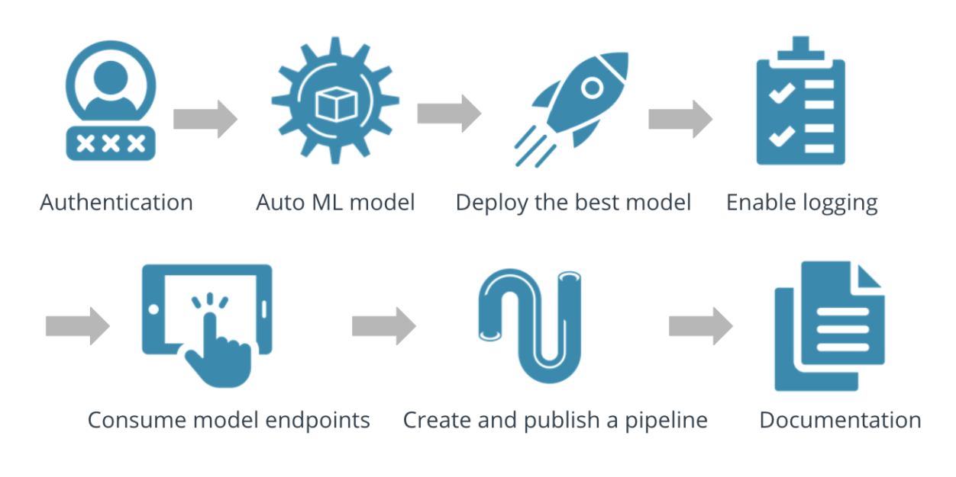

Step | Status
Authentication | Done
Automated ML Experiment | Done
Deploy the best model | Done
Enable logging | Done
Swagger Documentation | Done
Consume model endpoints | Done
Create and pusblish a pipeline | Done
Documentation | In progress

